BOM
BOM NO | PARÇA NUMARASI | GÖRSEL | İMALAT YÖNTEMİ | BİRİM ADET/BOY | TOPLAM ADET/BOY | STOK NO | PARÇA ADI VE AÇIKLAMASI | REV
1 | YL-300-K01 | 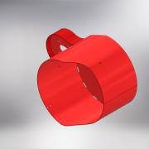 | KAYNAKLI İMALAT | 1 | 1 | YL-300-K01 | ŞASE MONTAJ | 0
1.1 | YL-300-S4 | 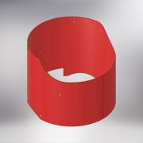 | SAC KESİM + KIVRIM | 1 | 1 | YL-300-S4 | ANA ŞASE ÇEMBER SACI | 0
1.2 | YL-300-S01 | 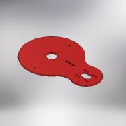 | SAC KESİM | 1 | 1
1.3 | YL-300-S06 |  | SAC KESİM + KIVRIM | 1 | 1 | YL-300-S06 | MOTOR MUHAFAZA ÇEMBER SACI | 0
1.4 | PATENT DİRSEK (1/2") |  | STANDART | 1 | 1 |  | Elbow
1.5 | YL-450-T10 | 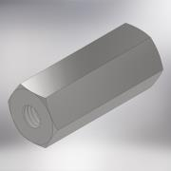 | STANDART | 3 | 3 | YL-450-T10 | LASTİK TAKOZ SOMUNU | 0
2 | YL-300-T05 | 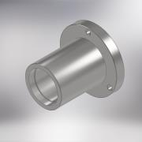 | TALAŞLI İMALAT | 1 | 1 | YL-300-T05 | RULMAN YATAGI (YATAY LAP-300) | 0
3 | ISO 4762 - M8 x 25 |  | STANDART | 3 | 3 | IM0825 | IMBUS CİVATA (M8x25)
4 | YL-300-SP-01 |  | STANDART | 1 | 1 | YL-300-SP-01 | O-RING (70x5)
5 | BKM-SP11 | 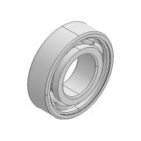 | STANDART | 3 | 3 | BKM-SP11 | RULMAN (6205) | 0
6 | DIN 471 - 25x1,2 | 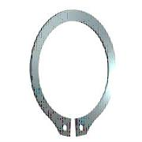 | STANDART | 1 | 1 | SK1,225 | EMNİYET SEGMANI
7 | YL-300-K02 | 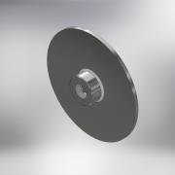 | KAYNAKLI İMALAT | 1 | 1 | YL-300-K02 | TABLA KYNAKLI İMALAT | 0
7.1 | YP-300-T03 | 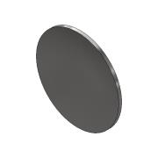 | TALAŞLI İMALAT | 1 | 1 | YP-300-T03 | YATAY LAP TABLASI | 0
7.1.1 | YL-300-S03 | 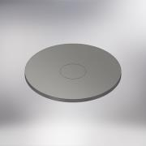 | SAC KESİM | 1 | 1 | YL-300-S03 | TAŞ BAĞLANTI SACI
7.2 | YL-300-T02 | 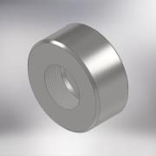 | TALAŞLI İMALAT | 1 | 1 | YL-300-T02 | TABLA KAYNAKLI GÖBEĞİ | 0
8 | ISO 10642 - M8 x 45 | 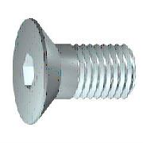 | STANDART | 1 | 1 | HV0845 | HAVŞA BAŞLI CİVATA (M8x45)
9 | YL-450-T11 | 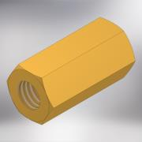 | TALAŞLI İMALAT | 3 | 3 | YL-450-T11 | SABİTLEMESOMUNU | 0
10 | YL-300-S02 | 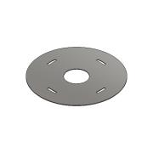 | SAC KESİM | 1 | 1 | YL-300-S02 | TABAN MUHAFZA SACI (YATAY LAP-300)
11 | YL-450-T06 | 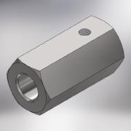 | TALAŞLI İMALAT | 2 | 2 | YL-450-T06 | MİL SABİTLEE SOMUNU (YATAY LAP) | 0
12 | ISO 4762 - M8 x 12 |  | STANDART | 4 | 4 | IM0812 | IMBUS CİVATA (M8x12)
13 | YL-450-T07 | 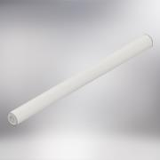 | TALAŞLI İMALAT | 2 | 2 | YL-450-T07 | ELEKTRİK PANOSU MİLİ | 0
14 | ISO 4762 - M8 x 16 |  | STANDART | 3 | 3 | IM0816 | IMBUS CİVATA (M8x16)
15 | YL-450-T08 | 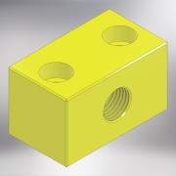 | TALAŞLI İMALAT | 1 | 1 | YL-450-T08 | SOĞUTMA SIVISI BAĞLANTI KESTAMİTİ | 0
16 | YL-450-T09 | 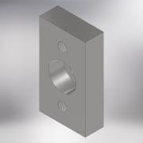 | TALAŞLI İMALAT | 1 | 1 | YL-450-T09 | SOĞUTA BLOĞU BAĞLANTI LAMASI | 0
17 | ISO 4762 - M6 x 30 |  | STANDART | 2 | 2 | IM0630 | IMBUS CİVATA (M6x30)
18 | BKM-SP15 | 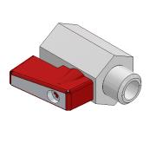 | STANDART | 1 | 1 | BKM-SP15 | MİNİ VANA (1/4'') | 0
19 | BKM-SP14 | 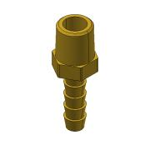 | STANDART | 1 | 1 | BKM-SP14 | HORTUM MARPUCU (SARI) 1/4" | 0
20 | BKM-SP18 | 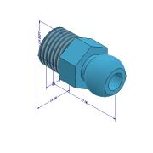 | STANDART | 1 | 1 | BKM-SP18 | YAĞLAMA HORTUM MRPUCU (1/4'') | 0
21 | Tubes FHT.1/4 | 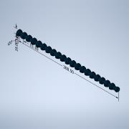 | STANDART | 1 | 1 |  | YAĞLAMA HORTUMU
22 | YL-450-14S | 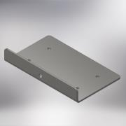 | SAC KESİM + KIVRIM | 1 | 1 | YL-450-14S | ELEKTRİK DOLABI BAĞLANTI SACI (YATAY LAP-450) | 0
23 | ISO 4762 - M6 x 12 |  | STANDART | 4 | 4 | IM0612 | IMBUS CİVATA (M6x12)
24 | BKM-SP19 | 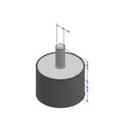 | STANDART | 3 | 3 | BKM-SP19 | TİTREŞİM TAKOZU
25 | ISO 4762 - M8 x 40 |  | STANDART | 4 | 4 | IM0840 | IMBUS CİVATA (M8x40)
26 | YL-300-T06 | 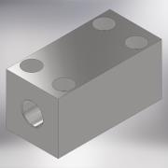 | TALAŞLI İMALAT | 1 | 1 | YL-300-T06 | TAKOZ (YATAY LAP-300) | 0
27 | YL-300-T01 | 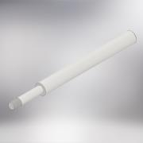 | TALAŞLI İMALAT | 1 | 1 | YL-300-T01 | KASNAK İLİTLEME MANDALI (YATAY LAP-300) | 0
28 | YL-450-SP-03 | 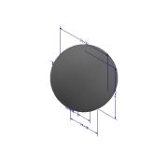 | STANDART | 1 | 1 | YL-450-SP-03 | SKMA TOPUZU (M10)
29 | YL-300-SP10 | 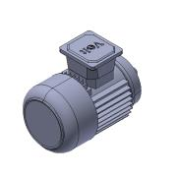 | STANDART | 1 | 1 | YL-300-SP10 | MOTOR (0,75 KW - 1400 DEV/DK - 220V - B14) | 0
30 | ISO 4762 - M6 x 25 |  | STANDART | 4 | 4 | IM0625 | IMBUS CİVATA (M6x25)
31 | DIN 9021 - 6,4 |  | STANDART | 4 | 4 | PLL06 | DÜZ GENİŞ RONDELA (M6)
32 | DIN 125 - A 8,4 |  | STANDART | 2 | 2 | PLN08 | DÜZ RONDELA (M8)
33 | ISO 4017 - M8 x 20 | 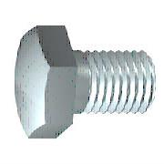 | STANDART | 2 | 2 | CV08220 | CİVATA AKB (M8x20)
34 | YL-300-T07 | 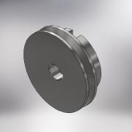 | TALAŞLI İMALAT | 1 | 1 | YL-300-T07 | ORTA MİL KASNAĞİ | 0
35 | YL-450-T18 | 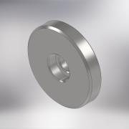 | TALAŞLI İMALAT | 1 | 1 | YL-450-T18 | ALIN RONDELASI | 0
36 | ISO 4762 - M8 x 20 |  | STANDART | 2 | 2 | IM0820 | IMBUS CİVATA (M8x20)
37 | YL-300-T08 | 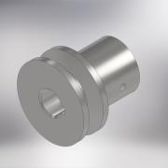 | TALAŞLI İMALAT | 1 | 1 | YL-300-T08 | MOTOR KASNAĞI | 0
38 | DIN 916 - M6 x 10 | 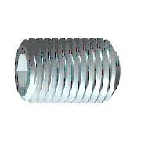 | STANDART | 1 | 1 | ST0610 | SETSKUR (M6x10)
39 | 0 | 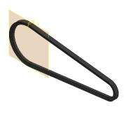 | STANDART | 1 | 1 | YL-300-SP11 | KAYIŞ (13 x 750 Li)
40 | YL-SP23 | 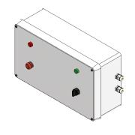 | ELEKTRİK MONTAJ | 1 | 1 | YL-SP23 | ELEKTRİK DOLABI (PLASTIK) | 0
41 | YL-300-SP-02 | 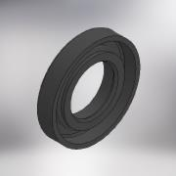 | STANDART | 1 | 1 | YL-300-SP-02 | YAG KECESI (55x30x10)
42 | YL-300-T04 | 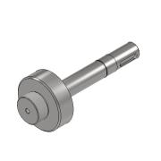 | TALAŞLI İMALAT | 1 | 1 | YL-300-T04 | MIL (YATAY LAP-300) | 0
43 | DIN 6885 - A 8 x 7 x 32 | 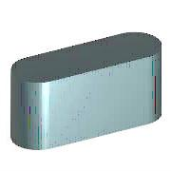 | STANDART | 1 | 1 |  | KAMA (8x7x32)

